ITP-006
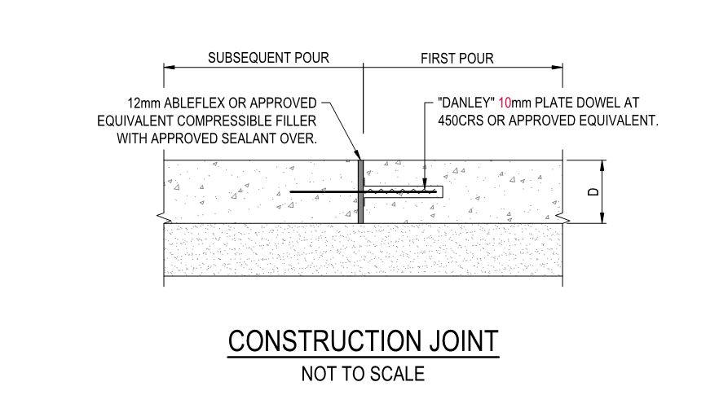
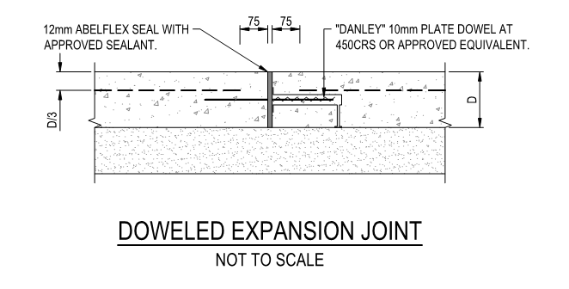
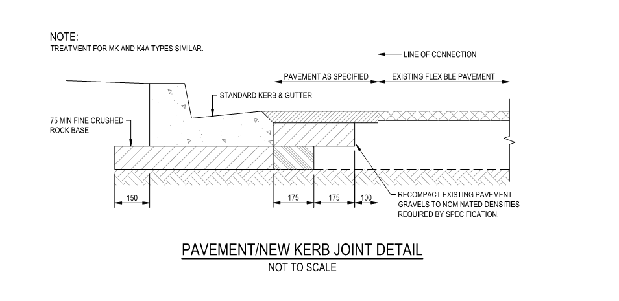
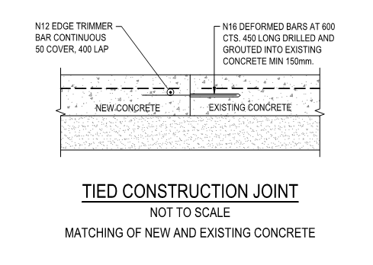
 |  |  | Inspection and Test Plan - Control and Supervision of the Works |  |  |  |  |  |  |  | Document # CTN-ITP-006
 |  |  |  |  |  |  |  |  |  |  | Revision : 0 | Date : 31/05/2023

Client: |  | Hobart International Airport Pty Ltd |  | Construction Process: |  | Prepared by: |  | Reviewed by : |  |  | Approved by :
Project: |  | Project Mercury Early Works At Hobart International Airport |  | Concrete - Kerbs |  | Name: | Zac Buick | Name: |  |  | Name:
Contract No: |  | MER-EW-001 |  | Specifications: Hobart Airport Project Mercury Early Works Civil Specification. AS 3600, 1379
 |  |  |  | Structure / Component: Concrete Structures |  | Signed : |  | Signed : |  |  | Signed :
 |  |  |  | Location: Hobart International Airport |  | Date : | 31/05/2023 | Date : |  |  | Date :

Lot No: |  |  | Lot Details: |  |  |  |  |  | Lot Size/ Quantity:

Item | Task/Activity Description |  | Inspection / Controls and Verification Detail |  |  |  |  | HP/ WP/ AP/ IP/ TP/ SCP | Responsibility | Checked by:
No. |  |  | Frequency | Acceptance Criteria | Reference Documents | Inspection / Test Method | Record of conformity |  | Project Engineer Site Engineer Superintendent Surveyor Foreman | Client | Fulton Hogan | FH's Sub-contractor | Date
1 | Preliminary Works
1.1 | Check for correct documentation |  | Prior to commencing any activity | Ensure that all employees and subcontractors are: - using the correct and complete set of drawings - all drawings are the latest revision | Drawings and drawing registers | Visual inspection | ITP Signed | HP* | Site Engineer/ Site Foreman | N/A |  | N/A
1.2 | Implementation of all measures and controls |  | Prior to commencing any activity | All necessary measures and controls are being implemented, that is: PSP, EMP, TMP, SWMS & WP | PSP, EMP, TMP, SWMS, WP | Visual Inspection | ITP Signed | HP* | Site Engineer/ Site Foreman | N/A
1.3 | Submission & Approval of Concrete Mix Design |  | Prior to first concrete pour | Supplied concrete pre-mixture for kerbs, needs to be in accordance with the supplied Early Works Civil Drawings. Unless specified, then concrete used in this construction shall conform to AS 3600 and be provided by an approved pre-mixed concrete supplier, conforming with AS 1379. | Work Procedure | Verify | ITP Signed Mix design approval | HP* | Site Engineer
2 | Construction Works
2.1 | Setting Out |  | Prior to start | Set out work in accordance with drawings. The Engineer and Supervisor will review and confirm set out with surveyor. No survey/level pegs to be removed by any persons until completion of works. | Work Procedure | Verify | This ITP Signed | HP* | Site Engineer |  |  | N/A
2.2 | Excavation Permit |  | Each lot | An excavation permit must be issued prior to any excavation commencing. Plant and equipment shall be appropriate for the task. Excavation operations shall not disturb areas outside the limit of excavation | Excavation permit | Verify | ITP Signed | HP* | Site Engineer | N/A |  | N/A
2.3 | Excavation |  | Each Lot | Excavation completed to required depth to allow placement of the bedding layer | Work Procedure | Verify | ITP Signed | IP | Site Engineer | N/A |  | N/A
2.4 | Concrete Placement |  | Each Lot | All kerbing shall be constructed from 32 MPa 28 day cylinder test compressive strength concrete manufactured in accordance with AS 3600 for 10mm aggregate. Slump tolernaces to be in accordance with a 50mm slump. Kerbs to roads shall be constructed of extruded concrete kerbing. Kerbing to smaller radii than can be placed with the extrusion machine used shall be cast insitu to the same cross section as that of the extruded kerbing, except that the cast insitu kerb shall be 100mm deeper than the extruded kerbing and shall be embedded firmly in the road surface to the extra depth. The outward appearance of the extruded and cast insitu kerbing shall be identical. Where required match all new kerbs to existing level neatly, ensuring minimum 1 in 250 grade, saw cutting and reinstating pavement in front of kerb to fall to new kerb level. | DWG EW-CE-DRW-406-001 C.10.15 C.10.16 | Visual Inspection | ITP Signed | IP | Site Engineer/ Site Foreman | N/A |  | N/A
2.5 | Pram Crossings |  | Each Lot | Ensure that pram crossings are constructed in accordance with requirements for access and mobility and with dimansions as specified on DWG-416-001. For pram crossings within concrete kerb refer to Figure 24A of AS 1428.1 Kerb ramp allignment in accordance with Clause 7.7.1 of AS1428.1 | Figure 24A AS1428.1 DWG-416-001 Clause 7.7.1 of AS1428.1 | Verify | This ITP Signed | IP | Site Engineer/ Site Foreman | N/A |  | N/A
2.6 | Joints |  | Each Joint | Contraction joints shall be constructed at 2.0m intervals, at sides of entry pits and at tangent point of sweeps by complete separation of adjoining sections of the kerb immediately after extrusion. Joints shall be 3mm wide, clean cut and made vertically through the concrete at right-angles to the direction of the work. Where kerbing is laid by machine, joints shall be formed in a manner which doe s not cause damage to the adjoining concrete during cutting and to a depth which will prevent cracking elsewhere. In general it can be expected that the cut should extend to at least one-quarter of the depth of the section. Where kerbing is cast against fixed forms, contraction joints shall be formed by means of a 3mm thick steel plate cut to profile which shall be withdrawn before final finishing. Expansion Joints shall be constructed at every third contraction joint not less than 24 hours after placing. The expansion joints shall be formed by the sawing of a 10mm gap that completely severs the adjoining sections of the kerb. The gap shall be filled with approved joint filler after the Superintendant and the Local Authority have inspected and approved the cut joints. All existing pavement adjacent to proposed kerb or proposed joints shall be saw cut in a neat line to the satisfaction of the supervising engineer, and to have 300mm overlap. | EW-CE-DRW-007-001 C.10.17 C.10.18 EW-CE-DRW-406-001 | Visual Inspection | This ITP Signed | IP | Site Engineer/ Site Foreman/Superintendant | N/A |  | N/A
2.7 | Protection of concrete |  | Each Lot | Kerbs shall be always protected from bitumen overspray by adequately covering the kerbs with polythene sheeting or similar approved material | C.10.20 | Verify | This ITP Signed | IP | Site Foreman | N/A |  | N/A
2.8 | Curing - Kerb |  | Each Lot | Within two hours of surface finishing, all exposed faces of the completed kerb shall be protected against loss of moisture for a period of not less than 96 hours after placing by shrouding with plastic sheeting or by spraying with a curing compound complying with AS 3799. | C.10.19 | Verify | This ITP Signed | HP | Site Engineer/ Site Foreman | N/A |  | N/A
3 | Completion
3.1 | Carry out sampling of concrete - strength and consistency |  | Each 50m3 | Sampling and testing of the strength of concrete shall be carried out in accordance with Clause 6.2 of AS 1379. | Work Procedure | Checklist | ITP Signed/Test Records | TP | Site Engineer | N/A |  | N/A
3.2 | Tolerances |  | Each Lot | Tolerances Surface: + or - 5mm when tested with a 3m straight edge Level: + or - 5mm Line: + or - 10mm | C.7.4 Table 6 (9.) | Visual Inspection | This ITP Signed | IP | Site Engineer/ Site Foreman | N/A |  | N/A
3.3 | Backfilling |  | Each Lot | The backfilling to kerbing shall be placed as shown on the drawings after the curing and acceptance of the kerbing. The backfill material to be a similar material to the locally occurring topsoil, free from debris and compacted adequately to accommodate the driving of rubber tyred domestic vehicles. After curing, no earlier than 3 days, backfilling shall be completed as per the below: - Topsoil compacted in layers < 150mm - Width ≥ 300mm behind edging to top of edging | C.10.21 Work Procedure | Verify | This ITP Signed | IP | Site Foreman | N/A |  | N/A
3.4 | As-constructed survey and conformance documentation |  | Each Lot ( 1 per day) | Lot Maps shall be completed to show the extent of works for each lot. Lot Maps shall include Width between kerb at 20m intervals, contraction joints, expansion joints and Curing Certification per lot | C.7.2 (7.) | Verify | Visual match existing / This ITP signed off | SCP | FH Engineer/ Surveyor | N/A |  | N/A

 | Final Inspection
 | The signature below verifies that this ITP has been completed in accordance with the FH’s Quality system Procedures and verifies lot compliance with specifications.
 | Print Name: |  | Position: |  | Signature: |  |  |  |  | Date: / /

Legend
HP | Hold Point | Work shall not proceed past the HP until released by the Superintendent |  |  | IP | Inspection point |  | Formal Inspection to be done and recorded
HP* | FH Hold Point | Work shall not proceed past the HP* until released by FH |  |  | TP | Test Point |  | Product compliance test to be undertaken and recorded/reported
WP | Witness Point | An inspection which must be witnessed by the Superintendent |  |  | SCP | Survey conformance point |  | A qualified surveyor to check product/section/structure and report
AP | Approval Point | Written or verbal approval given by the Superintendent

